Dashboard
 |  |  |  |  |  | FunctionID |  |  |  |  | FunctionName |  |  |  |  |  |  | ScreenID |  |  |  |  | Created | 2019-05-05
 |  |  |  |  |  | - |  |  |  |  | - |  |  |  |  |  |  |  |  |  |  |  | Updated
 |  |  |  |  |  |  |  |  |  |  |  |  |  |  |  |  |  | Effort List

1) Layout Screen

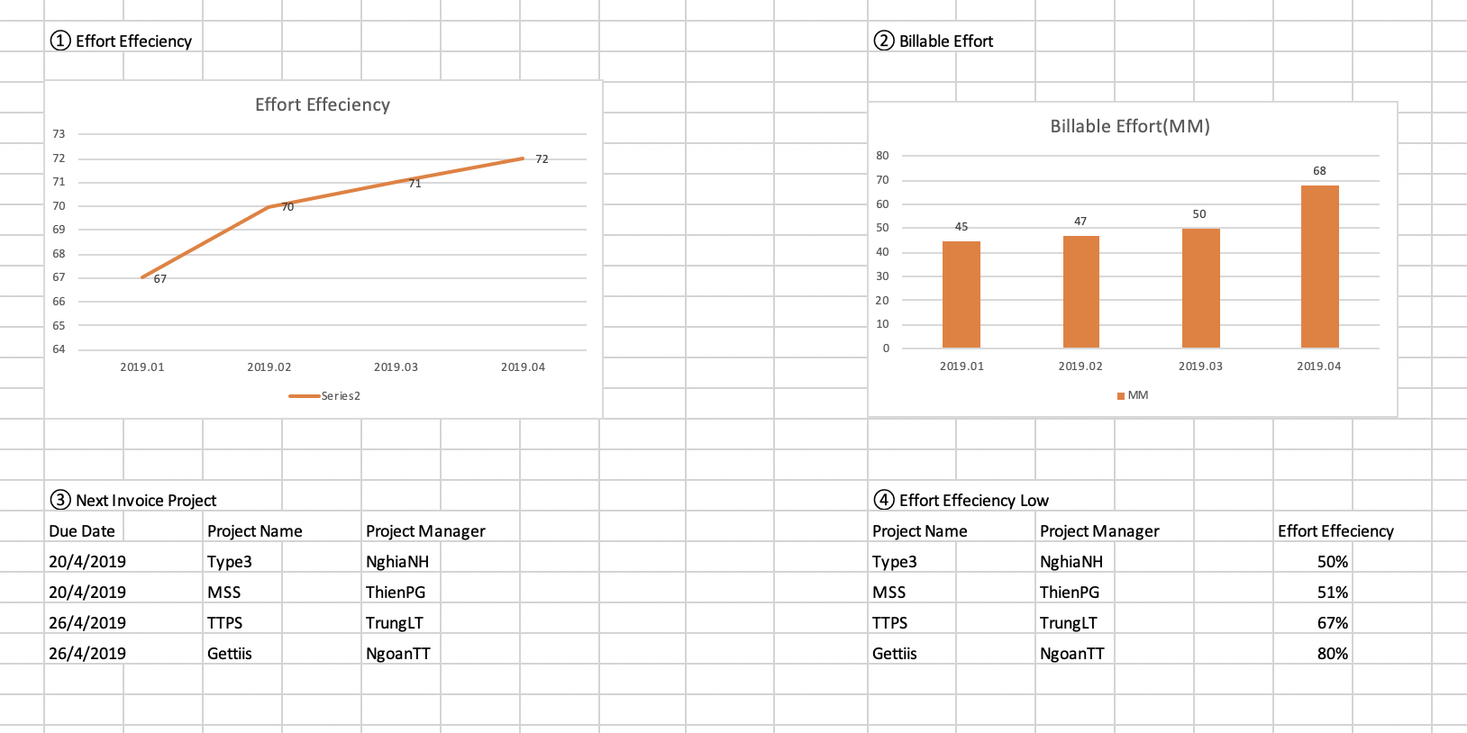

2) Screen Definition

No | ItemName |  |  | Control Type |  |  |  | I/O |  | Max length |  |  | Database |  |  | Field |  |  | Input check |  |  | Note
 |  |  |  |  |  |  |  |  |  |  |  |  |  |  |  |  |  |  | Mandatory | Type | Char Num
1 | Effort Efficiency | YearMonth |  |  |  |  |  |  | O |  |  |  |  | t_effort |  |  | year_month
2 |  | Effort_Billable/Effort_Calendar |  |  |  |  |  |  | O |  |  |  |  | t_effort |  |  | effort_billable/effort_calendar
4 | Billable Effort | YearMonth |  |  |  |  |  |  | O |  |  |  |  | t_effort |  |  | year_month
5 |  | Effort_Billable |  |  |  |  |  |  | O |  |  |  |  | t_effort |  |  | effort_billable
9 | Next Invoice Project
10 |  | Project Name |  |  |  |  |  |  | O |  |  |  |  | t_project |  |  | project_name
11 |  | Due Date |  |  |  |  |  |  | O |  |  |  |  |  |  |  |  |  |  |  |  | t_project.invoice_due_day/thismonth/this year
12 |  | Project Manager |  |  |  |  |  |  | O |  |  |  |  | t_project |  |  | project_manager
13 | Effort Efficiency Low
14 |  | Project Name |  |  |  |  |  |  | O |  |  |  |  | t_project |  |  | project_name
14 |  | Project Manager |  |  |  |  |  |  | O |  |  |  |  | t_project |  |  | project_manager
14 |  | Effort Effeciency |  |  |  |  |  |  | O |  |  |  |  |  |  |  |  |  |  |  |  | Calculation

3) Process Description

Method |  | Event | Description |  |  |  |  |  |  |  |  |  |  |  |  |  |  |  |  |  |  | Message
Initialize |  | Initialize |  | 1.Effort Efficiency, Billable Effort Calculate
 |  |  |  |  | From 01 to this Month Union below SQL

 |  |  |  |  | <table> |  | t_effort
 |  |  |  |  | <condition>
 |  |  |  |  |  |  | del_flg |  |  | = | 0
 |  |  |  |  |  |  | year_month |  |  | = | Loop year Month
 |  |  |  |  | <select>
 |  |  |  |  |  |  | year_month, SUM(effort_billable)/SUM(effort_calendar)
 |  |  |  |  |  |  | SUM(effort_billable)

 |  |  |  | 2. Invoice Due Date Calculate
 |  |  |  |  | (Tu viet cau lenh SQL nha)
 |  |  |  |  | <table> |  | t_project
 |  |  |  |  | <condition>
 |  |  |  |  |  |  | del_flg |  |  | = | 0
 |  |  |  |  |  |  | monthly_invoice |  |  |  | = |  |  | 1
 |  |  |  |  |  |  | start_date |  |  |  | <= today
 |  |  |  |  |  |  | end_date >= today()
 |  |  |  |  |  |  | project_status |  |  |  |  | = |  | 1
 |  |  |  |  | <select>
 |  |  |  |  |  |  | project_manager
 |  |  |  |  |  |  | project_name
 |  |  |  |  |  |  | invoice_due_day + this month + this year ( format dd/mm/yyyy)

 |  |  |  |  | <order by>
 |  |  |  |  |  |  | invoice_due_day

 |  |  |  | 3. Effort Efficiency of Project
 |  |  |  |  | (Tu viet cau lenh SQL nha)
 |  |  |  |  | <table> |  | t_project, t_estimation, t_effort
 |  |  |  |  | <condition>
 |  |  |  |  |  |  | del_flg |  |  | = | 0
 |  |  |  |  |  |  | project_status |  |  |  |  | = |  | 1
 |  |  |  |  |  |  | (Tu them dieu kien join)
 |  |  |  |  | <select>
 |  |  |  |  |  |  | project_manager
 |  |  |  |  |  |  | project_name
 |  |  |  |  |  |  | sum(effort_billable)/sum(effort_calendar) |  |  |  |  |  |  |  | as EE

 |  |  |  |  | <order by>
 |  |  |  |  |  |  | EE

Invoice Addnew
 |  |  |  |  |  |  |  |  | FunctionID |  |  |  |  |  |  |  | FunctionName |  |  |  |  |  |  |  |  | ScreenID |  |  |  |  | Created |  | 2019-05-05
 |  |  |  |  |  |  |  |  | - |  |  |  |  |  |  |  | - |  |  |  |  |  |  |  |  |  |  |  |  |  | Updated
 |  |  |  |  |  |  |  |  |  |  |  |  |  |  |  |  |  |  |  |  |  |  |  |  |  | Invoice Addnew
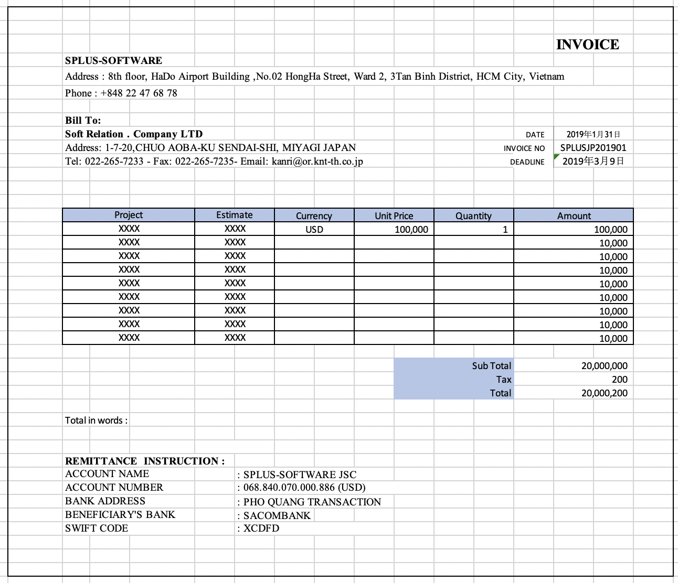
1) Layout Screen

 |  | Invoice No |  |  |  |  |  |  |  |  |  | To Customer |  |  |  |  |  |  |  |  |  |  | ▼

 |  | Tax rate(%) |  |  |  |  |  |  |  |  |  | Invoice Language |  |  |  |  |  |  |  |  |  |  | ▼

 |  | Invoice Date |  |  |  |  |  |  |  |  |  | Payment Due Date

 |  | Banking Name |  |  |  |  |  | ▼ |  |  |  | Banking Account |  |  |  |  |  |  |  |  |  |  | ▼

 |  | Project |  |  | Estimation |  |  |  | Currency |  |  |  |  |  | Unit Price |  |  |  |  | Quantity |  |  |  |  | Amount
 |  | ▼ |  |  | ▼ |  |  |  |  |  |  |  |  |  |  |  |  |  |  | 0.18
 |  |  |  |  |  |  |  |  |  |  |  |  |  |  |  |  |  |  |  |  |  |  |  |  |  |  |  |  |  |  |  | Export Excel

 |  |  |  |  |  |  |  |  |  |  |  |  |  |  |  |  |  |  |  |  |  |  |  |  |  |  |  |  | Maximum 8

 |  |  |  |  |  |  |  |  |  |  |  |  |  |  |  |  |  |  |  |  | Sub Total
 |  |  |  |  |  |  |  |  |  |  |  |  |  |  |  |  |  |  |  |  |  | Tax
 |  |  |  |  |  |  |  |  |  |  |  |  |  |  |  |  |  |  |  | Total Amount

 |  | Total in words |  | :

 |  |  |  |  |  |  |  |  | Export Excel |  |  |  |  | Submit
2) Screen Definition

No | ItemName |  |  |  |  |  | Control Type |  |  |  |  | I/O |  |  | Max length |  |  | Database |  |  |  |  |  | Field |  |  | Input check |  |  | Note
 |  |  |  |  |  |  |  |  |  |  |  |  |  |  |  |  |  |  |  |  |  |  |  |  |  |  | Mandatory | Type | Special Char validation
1 | Header |  | Invoice No |  |  |  | Text |  |  |  |  |  | O |  |  | 10 |  |  |  |  |  |  |  |  |  |  |  |  | ○ | Auto create : SPL+ YYMMDDHHMMSS
2 |  |  | To Customer |  |  |  | Combobox |  |  |  |  |  | I |  |  |  |  |  | t_customer |  |  |  |  |  | customer_name
3 |  |  | Tax rate |  |  |  | Combobox |  |  |  |  |  | I |  |  |  |  |  |  |  |  |  |  |  |  |  |  |  |  | Fix : 0 -> 12
4 |  |  | Language |  |  |  | Combobox |  |  |  |  |  | O |  |  |  |  |  |  |  |  |  |  |  |  |  |  |  |  | Fix : Japanese, English, Vietnamese
5 |  |  | Invoice Date |  |  |  | Calendar |  |  |  |  |  | O
6 |  |  | Payment Due Date |  |  |  | Calendar |  |  |  |  |  | O
7 |  |  | Banking Name |  |  |  | Combobox |  |  |  |  |  | O |  |  |  |  |  | t_banking |  |  |  |  |  | banking_name
8 |  |  | Banking Account |  |  |  | Combobox |  |  |  |  |  | O |  |  |  |  |  | t_banking |  |  |  |  |  | banking_account
9 |  | List | Project |  |  |  | Combobox |  |  |  |  |  | I |  |  |  |  |  | t_project |  |  |  |  |  | project_name
10 |  |  | Estimation |  |  |  | Combobox |  |  |  |  |  | I |  |  | 255 |  |  | t_estimation |  |  |  |  |  | estimation_name
11 |  |  | Currency |  |  |  | Text |  |  |  |  |  | O |  |  | 3 |  |  | t_estimation |  |  |  |  |  | currency
12 |  |  | Unit Price |  |  |  | Text |  |  |  |  |  | O |  |  |  |  |  | t_estimation |  |  |  |  |  | unit_price |  |  |  |  | Numberic
13 |  |  | Quality |  |  |  | Text |  |  |  |  |  | I |  |  |  |  |  |  |  |  |  |  |  |  |  |  |  |  | Numberic
14 |  |  | Amount |  |  |  | Text |  |  |  |  |  | O |  |  |  |  |  |  |  |  |  |  |  |  |  |  |  |  | Quanlity x Unit Price
15 |  |  | Sub Total |  |  |  | Text |  |  |  |  |  | O |  |  |  |  |  |  |  |  |  |  |  |  |  |  |  |  | Sum(Amount)
16 |  |  | Tax |  |  |  | Text |  |  |  |  |  | O |  |  |  |  |  |  |  |  |  |  |  |  |  |  |  |  | Sum(Amount) x Tax Rate
17 |  |  | Total Amount |  |  |  | Text |  |  |  |  |  | O |  |  |  |  |  |  |  |  |  |  |  |  |  |  |  |  | Sub Total + Tax
18 | Submit |  |  |  |  |  | Button
19 | Export Excel |  |  |  |  |  | Button |  |  |  |  |  |  |  |  |  |  |  |  |  |  |  |  |  |  |  |  |  |  | Export to Excel

3) Process Description

Method |  |  | Event |  |  | Description |  |  |  |  |  |  |  |  |  |  |  |  |  |  |  |  |  |  |  |  |  |  |  | Message
Initialize |  |  | Initialize |  |  |  | 1. Fill data to Combobox

 |  |  |  |  |  |  |  |  |  | To Customer

 |  |  |  |  |  |  |  |  |  | Banking name

Select Banking Name |  |  | Update BankingName |  |  |  | 1. Update banking account by filter by banking name

Select To Customer |  |  | UpdateCustomer |  |  |  | 1. Update project in List by filter by customer

Select Project |  |  | UpdateProject |  |  |  | 1. Update estimation in List by filter by Project

Select Estimation |  |  | UpdateEstimation |  |  |  | 1. Auto update currency & unit price

Submit |  |  | Submit |  |  |  | 1. Validate

 |  |  |  |  |  |  |  |  |  | quantity input is > 0 or not |  |  |  |  |  |  |  |  |  |  |  |  |  |  |  |  |  |  |  |  |  |  |  | invalid quantity value

 |  |  |  |  |  |  |  |  |  | quantity input is > value in estimation |  |  |  |  |  |  |  |  |  |  |  |  |  |  |  |  |  |  |  |  |  |  |  | quanlity value is bigger than estimation value

 |  |  |  |  |  |  | 2. insert into t_invoice

 |  |  |  |  |  |  |  |  | <insert> |  |  |  | t_invoice
 |  |  |  |  |  |  |  |  |  |  | id |  |  |  |  |  |  |  |  | = |  |  | auto increase
 |  |  |  |  |  |  |  |  |  |  | invoice_no |  |  |  |  |  |  |  |  | = |  |  | screen
 |  |  |  |  |  |  |  |  |  |  | to_customer |  |  |  |  |  |  |  |  | = |  |  | t_customer.id
 |  |  |  |  |  |  |  |  |  |  | invoice_date |  |  |  |  |  |  |  |  | = |  |  | screen
 |  |  |  |  |  |  |  |  |  |  | invoice_due_date |  |  |  |  |  |  |  |  | = |  |  | screen
 |  |  |  |  |  |  |  |  |  |  | invoice_language |  |  |  |  |  |  |  |  | = |  |  | screen
 |  |  |  |  |  |  |  |  |  |  | banking_name |  |  |  |  |  |  |  |  | = |  |  | screen
 |  |  |  |  |  |  |  |  |  |  | banking_account |  |  |  |  |  |  |  |  | = |  |  | screen
 |  |  |  |  |  |  |  |  |  |  | invoice_amount |  |  |  |  |  |  |  |  | = |  |  | screen
 |  |  |  |  |  |  |  |  |  |  | invoice_tax |  |  |  |  |  |  |  |  | = |  |  | screen
 |  |  |  |  |  |  |  |  |  |  | total_amount |  |  |  |  |  |  |  |  | = |  |  | screen
 |  |  |  |  |  |  |  |  |  |  | total_in_words |  |  |  |  |  |  |  |  | = |  |  | screen
 |  |  |  |  |  |  |  |  |  |  | invoice_status |  |  |  |  |  |  |  |  | = |  |  | 0
 |  |  |  |  |  |  |  |  |  |  | del_flg |  |  |  |  |  |  |  |  | = |  |  | 0
 |  |  |  |  |  |  |  |  |  |  | notes |  |  |  |  |  |  |  |  | = |  |  | null
 |  |  |  |  |  |  |  |  |  |  | created_time |  |  |  |  |  |  |  |  | = |  |  | now
 |  |  |  |  |  |  |  |  |  |  | updated_time |  |  |  |  |  |  |  |  | = |  |  | null

 |  |  |  |  |  |  |  |  | <insert> |  |  |  | t_invoice_detail

 |  |  |  |  |  |  |  |  |  |  | id |  |  |  |  |  |  |  |  | = |  |  | auto increase
 |  |  |  |  |  |  |  |  |  |  | invoice_no |  |  |  |  |  |  |  |  | = |  |  | screen
 |  |  |  |  |  |  |  |  |  |  | project_no |  |  |  |  |  |  |  |  | = |  |  | t_project.id
 |  |  |  |  |  |  |  |  |  |  | estimation_no |  |  |  |  |  |  |  |  | = |  |  | t_estimate.id
 |  |  |  |  |  |  |  |  |  |  | currency |  |  |  |  |  |  |  |  | = |  |  | screen
 |  |  |  |  |  |  |  |  |  |  | unit_price |  |  |  |  |  |  |  |  | = |  |  | screen
 |  |  |  |  |  |  |  |  |  |  | quantity |  |  |  |  |  |  |  |  | = |  |  | screen
 |  |  |  |  |  |  |  |  |  |  | amount |  |  |  |  |  |  |  |  | = |  |  | screen
 |  |  |  |  |  |  |  |  |  |  | del_flg |  |  |  |  |  |  |  |  | = |  |  | 0
 |  |  |  |  |  |  |  |  |  |  | created_time |  |  |  |  |  |  |  |  | = |  |  | now
 |  |  |  |  |  |  |  |  |  |  | updated_time |  |  |  |  |  |  |  |  | = |  |  | null

 |  |  |  |  |  |  | 3. Back to Invoice List

Others
3. Report Revenue by Customer

 | Revenue(VND)
VietjetAir | 20909
VNCaptial | 101992
Linkst | 920192
DAC | 9290
TACCD | 909022

Report Revenue by Month

 | Revenue(VND)
Jan | 1000000
Feb | 2000000
Mar | 3000000
Apr | 4000000
May | 4500000

Cost by Category

 | Cost(VND)
SalesVN | 20000
Daily | 30000
Office | 50000
Insurance | 222222
Benefit | 90293
Salary | 802093

